Project4790
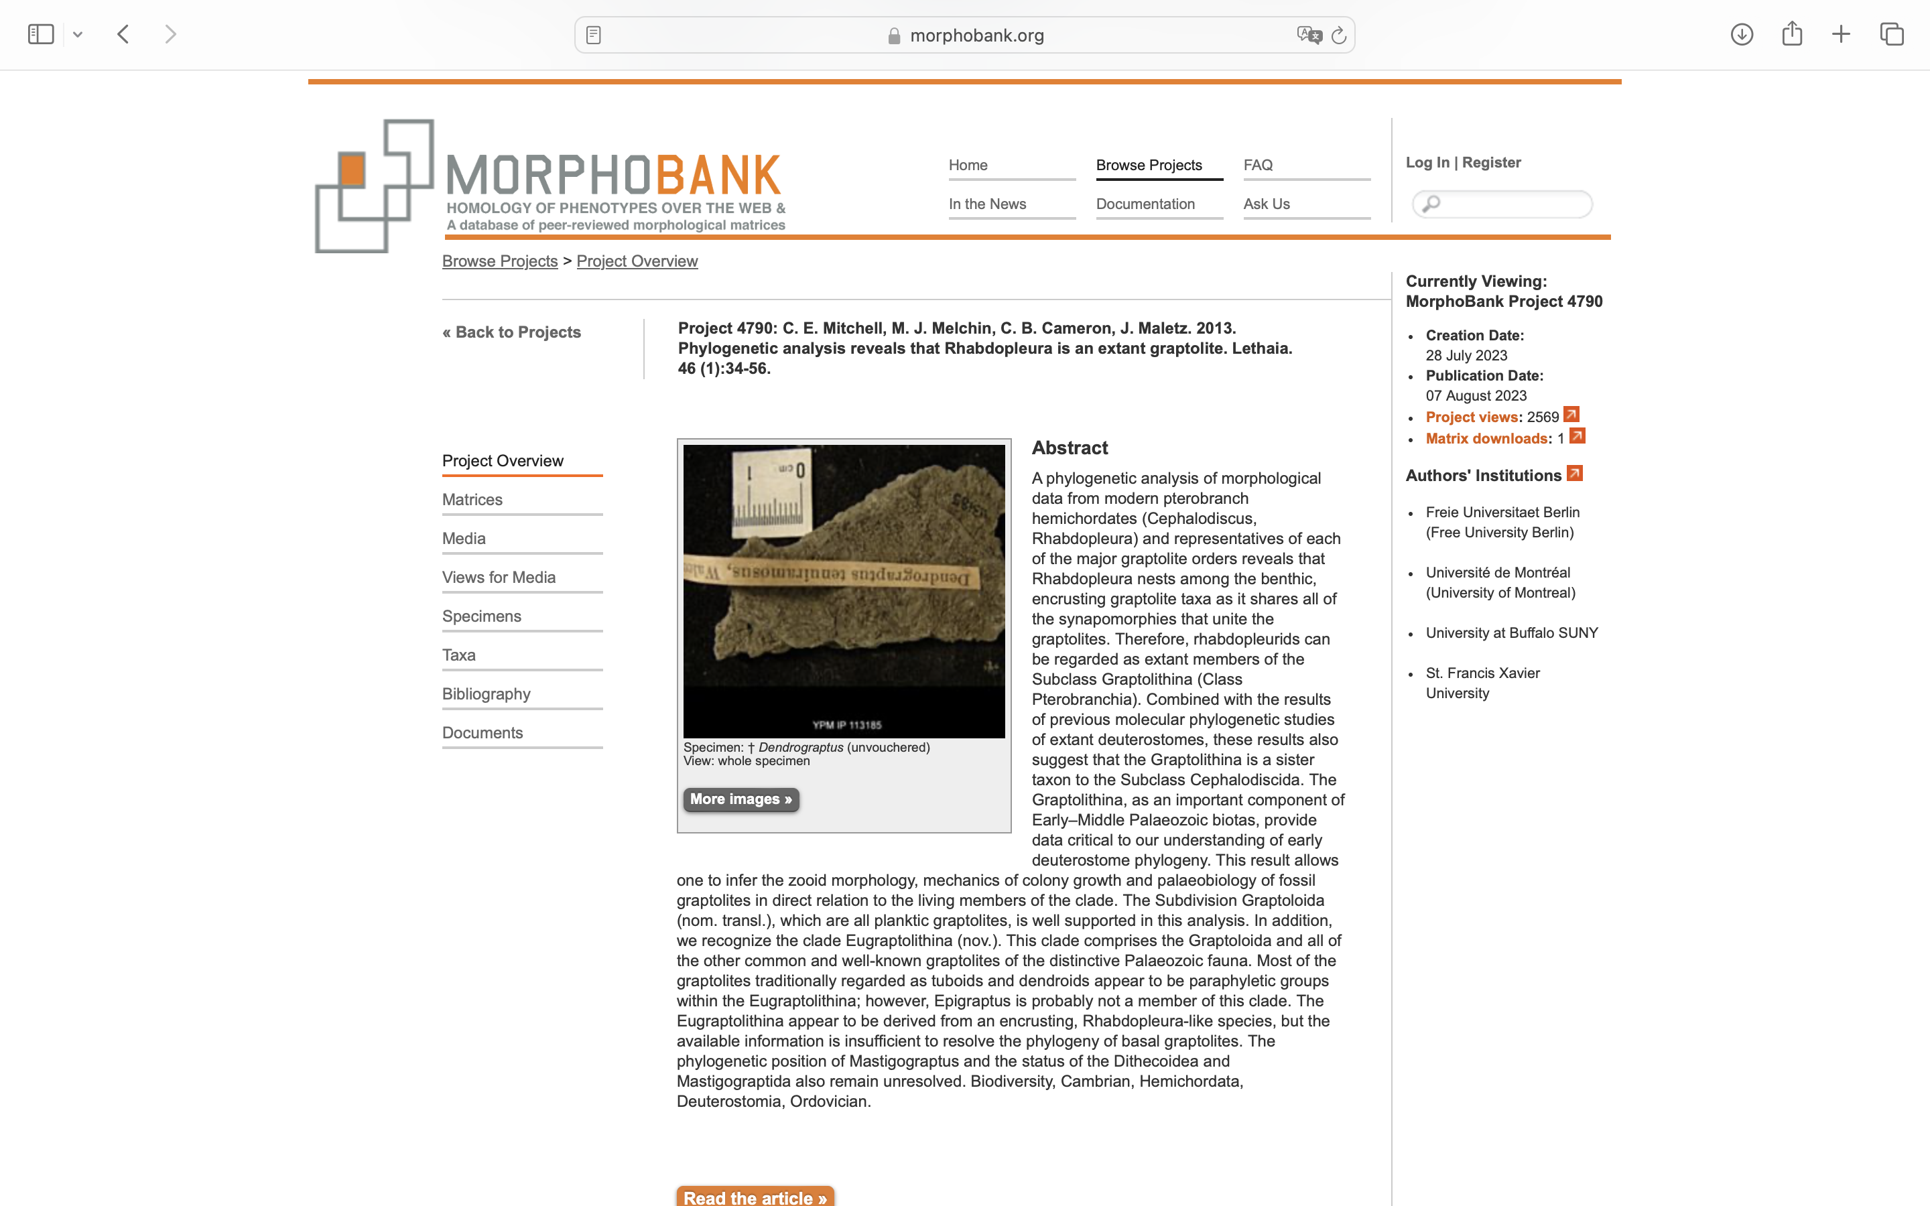
Charlabels | Character Pattern | Unseen States
[1] 'Helical line' | N;0=0;1=1;2=? | NO
[2] 'Metasicular opening in prosicula' | NT?;0=0-;1=11;2=12
[3] 'Metasicular fuselli' | NT?;0=0-;1=11;2=12
[4] 'Spiral astogeny' | N;0=0;1=1;2=? | NO
[5] 'Serial budding' | Neomorphic | NO
[6] 'Internal stolotheca in prosicula' | Neomorphic | NO
[7] 'Stolon type' | Transformational | YES
[8] 'Stolon position' | Transformational | YES
[9] 'Stolon diaphragms' | N;0=0;1=1;2=? | NO
[10] 'Budding type' | Transformational | YES
[11] 'Stolothecae' | N;0=0;1=1;2=? | NO
[12] 'Stolothecae location within thecorhiza' | Transformational | YES
[13] 'Encrusting' | N;0=0;1=1;2=? | NO
[14] 'Erect series of interconnected thecae' | Neomorphic | NO
[15] 'Planktic' | Neomorphic | NO
[16] 'Paired dimorphic thecae' | Neomorphic | NO
[17] 'Stipe connection' | NT?;0=0-;1=11;2=12
[18] 'Upright planar tubarium' | N;0=0;1=1;2=? | NO
[19] 'Thecal construction' | Transformational | YES
[20] 'Vesicular thecae' | N;0=0;1=1;2=? | NO
[21] 'Metathecal ? autothecal isolation' | Transformational | YES
[22] 'Branch condition' | Transformational | YES
[23] 'Fusellar sutures on erect (autothecal) tubes' | T;0=0;1=1;2=? | YES
[24] 'Autothecal coiling' | Neomorphic | NO
[25] 'Closed terminal buds' | NT?;0=0-;1=11;2=12
[26] 'Conothecae' | N;0=0;1=1;2=? | NO
[27] 'Bithecae' | Neomorphic | NO
[28] 'pongy extrathecal mass' | Neomorphic | NO
[29] 'Endocortex' | Transformational | YES
[30] 'Ectocortex' | NT?;0=0-;1=11;2=12;3=13
[31] 'Vesicular sheet fabric' | N;0=0;1=1;2=? | NO
[32] 'Character not defined in publication' | Ignore

